Screenshots
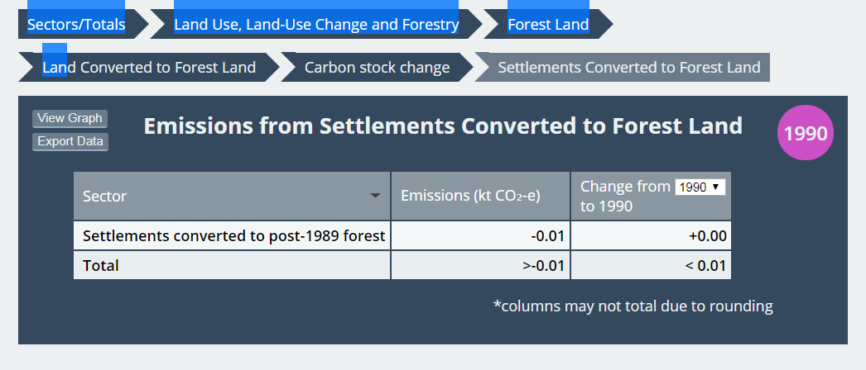
Item 11
 | https://data-refresh--emissions-tracker.netlify.com/#NrAMBoDYBYF12ARnAIgHIFMAuL7AEzj6iKR7SoDCA8vrggByq6xA
 | chrome
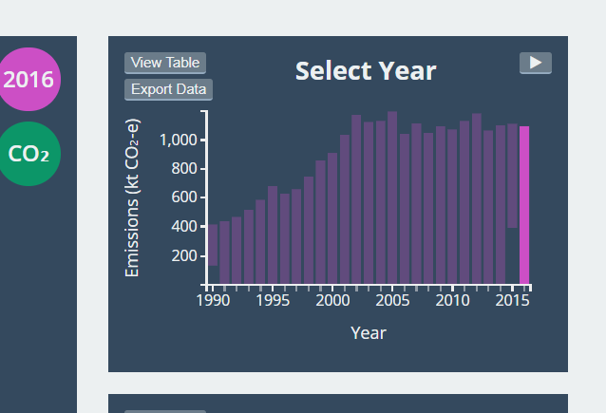

Item 12
 | https://data-refresh--emissions-tracker.netlify.com/#NrAMBoBYFYF12ARnAIgOICcD2BnHL5gAmcRATjMkMlQGEAJSAhADlQGIB3AQwBcBTDADNuAG1EB9AEYBXXrywA7ArCA
 | Chrome ONLY (IE is showing 56.24 in all graphs & tables which is correct)
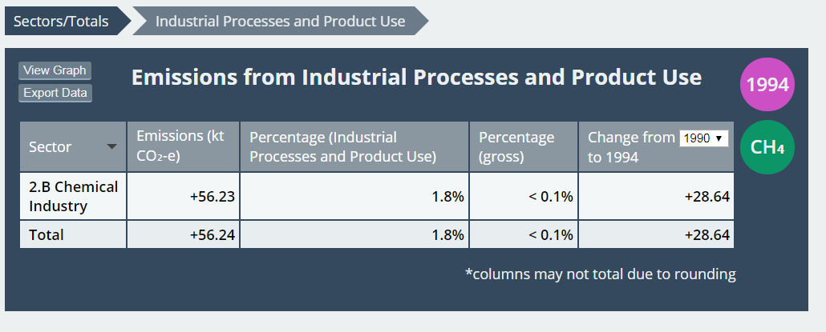

Item 14 & 15
 | https://data-refresh--emissions-tracker.netlify.com/#NrAMBoEZQdgXXMS4BEA5ApgFxQ4AmKATiNDwA5UBiAdwEMsMAnAMzoBt2B9AIwFcsWAPYA7XHCA

